Sheet1
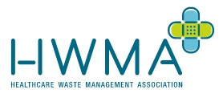

Principle House, Leamore Lane, Bloxwich, Walsall, WS2 7PS
Tel: 0370 3500 966
E-Mail: sales:@trusthygiene.co.uk

PRE-ACCEPTANCE WASTE AUDIT

Pre-Acceptance Audits are a legal requirement for any business that produces healthcare waste. They ensure that all waste streams are appropriately segregated and packaged for transport and treatment.

The audit is compulsary to customers that produce less than 5000kg of healthcare waste every year. This particular audit covers dentists, veterinary practices, research labs and medical surgeries and is required every 2 years.

Step 1. Enter your details in the fields listed below including your 6 digit account code.
Step 2. Click on the yellow highlighted cells to reveal a drop down list, choose your answer from the list provided to reveal whether you are currently complying with the environmental agency regulations.
Step 3. Once you have completed all questions, file save as and name the document with your 6 digit account code.xls and send a copy to robert.smith@trusthygiene.co.uk

SITE NAME : |  | ACCOUNT CODE :

CONTACT : |  | DATE :

Question | Waste Type | Click on cell below and choose your answer from the dropdown list provided | Result

1 | Offensive Waste

2 | Infectious Waste

3 | Diagnostic Kits Including Chemical Reagents

4 | Swabs, Tissues or Soft Items/PPE (Gloves, Aprons etc. contaminated with Blood, Saliva, etc.

5 | Swabs, Tissues or soft item/PPE (Gloves, Aprons etc. NOT contaminated with i.e. Blood, Saliva, etc.

6 | Needles, Syringes, Vials, Ampoules & Cartridges -Cytotoxic Medication Only

7 | Medicinally Contaminated Needles, Syringes & Syringe Bodies

8 | Non-Contaminated Fully Discharged Needles & Syringe Bodies

9 | Solid, Liquid & Aerosol Medicines

10 | Gypsum Waste

11 | Teeth, Braces, Bridges, Crowns or similar mouth items

12 | Teeth containing Amalgam / Amalgam sludge

13 | Amalgam Capsules

14 | Fixer / Developer Fluid

15 | Lead Foil

16 | CD Kits

 |  | TOTAL CORRECT (OUT OF 16) | 0

CORRECT WASTE SEGREGATION

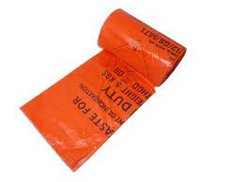
Orange bags
Infectious or potentially infectious soft clinical waste contaminated with blood/bodily fluids e.g. dressings, swabs, wipes, gloves, gowns, masks, aprons, and blood bags

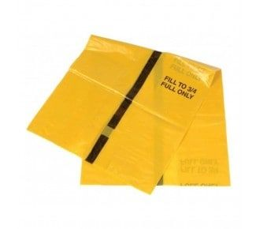
Tiger bags
offensive, non-infectious waste such as nappies and incontinence pads , or soft items contaminated with offensive waste

Do not use for the disposal of free liquids

Do not use for the disposal of sharps or rigid items likely to puncture the bag

Bags should be filled with no more than two thirds full OR to a maximum weight of 5 KG , whichever is reached first

Bags should be sealed at the point of production using cable ties or the swan-neck method.

AMALGAM WASTE

Dental amalgam is considered hazardous waste because :
It contains up to 50% toxic mercury and mercury compounds , which are extremely toxic
In liquid form, it has limited absorption through skin
In vapour form , it is extremely toxic (absorbed through lungs, damages immune system; dangerous to unborn child )
Amalgam works on the basis of cumulative effect – i.e. the greater the exposure the greater the effect.
The only safe waste disposal options is collection and recycling
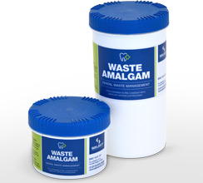

DO NOT dispose of mercury or amalgam contaminated wastes in clinical bags or sharps containers
DO NOT dispose of amalgam down the drain as this leads to water and land contamination
DO NOT dispose of amalgam with waste destined for incineration as this leads to air contamination

SEALED UNITS - CORRECT SEGREGATION

Orange-Lidded sealed unit
non-soft non-infectious or non-contaminated fully discharged needles & syringe bodies waste.

Yellow-Lidded sealed unit
non-soft infectious or potentially infectious clinical waste contaminated with chemicals or pharmaceutical / medical wastes e.g.. IV giving sets
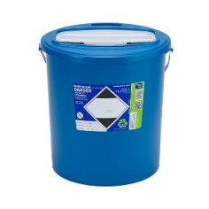
Blue-Lidded sealed unit
non-hazardous medicines, out of date stock , ward or patient returns (NOT CYTOSTATIC OR CYTO TOXIC )

Purple-Lidded sealed unit
non-sharps cytotoxic / cytostatic waste, including IV giving sets and leftover preparations

Do not use for the disposal of free liquids

Sealed units should never be sealed with more than 10 kg of glass.

Sealed units should be filled to maximum of three quarters full or to the fill-line marked on the container OR to the maximum weight of 20 KG

